13 Sept 2024
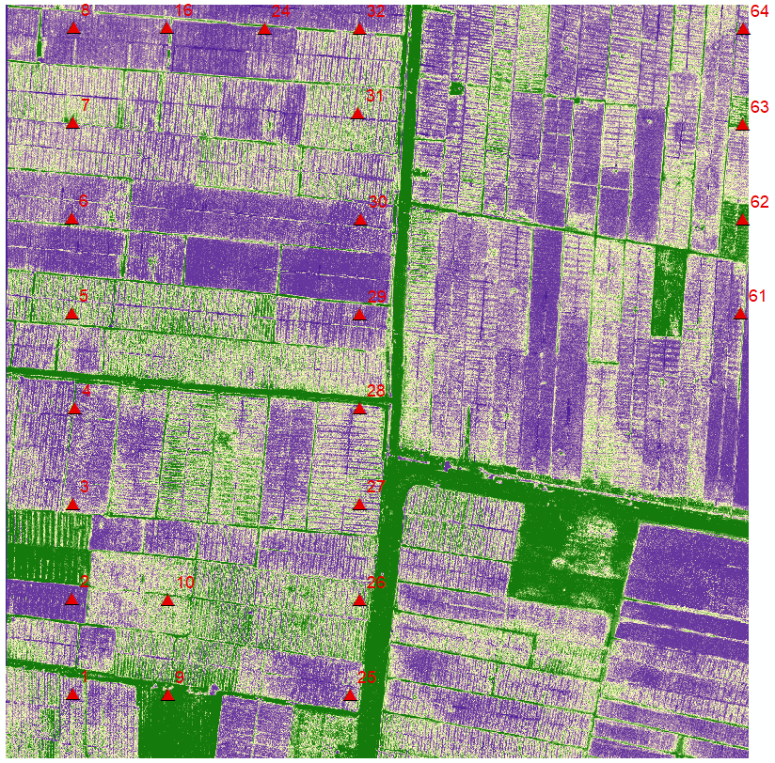
No | N | P | K | EC | Suhu | Moisture | pH | NDVI 13 Sept Fligt 1
1 | 214 | 300 | 319 | 1473 | 28.92 | 100 | 9.72 | 0.999969
2 | 172 | 258 | 276 | 1284 | 30.88 | 100 | 8.49 | 0.0138245
3 | 157 | 243 | 260 | 1221 | 32.59 | 100 | 3.19 | 0.412323
4 | 246 | 331 | 350 | 1620 | 33.82 | 100 | 7.8 | 0.917877
5 | 217 | 303 | 321 | 1484 | 33.56 | 100 | 3.49 | 0.986084
6 | 155 | 240 | 257 | 1211 | 33.62 | 100 | 7.33 | 0.387207
7 | 218 | 304 | 323 | 1490 | 33.15 | 100 | 2.92 | 0.313538
8 | 208 | 294 | 312 | 1443 | 31.93 | 100 | 3.55 | 0.59845
9 | 181 | 267 | 284 | 1323 | 34.16 | 100 | 9.74 | 0.999969
10 | 230 | 315 | 334 | 1544 | 34.46 | 100 | 9.74 | 0.0289612
16 | 185 | 271 | 289 | 1344 | 31.67 | 100 | 4.36 | 0.479919
24 | 211 | 297 | 315 | 1456 | 32.07 | 100 | 4.36 | 0.404205
25 | 350 | 423 | 455 | 2290 | 33.15 | 100 | 9.74 | 0.382843
26 | 247 | 332 | 352 | 1628 | 33.06 | 100 | 2.52 | 0.959412
27 | 221 | 307 | 326 | 1504 | 33.73 | 100 | 4.19 | 0.493225
28 | 169 | 255 | 272 | 1273 | 34.23 | 100 | 4.36 | 0.99704
29 | 203 | 289 | 308 | 1424 | 35.57 | 100 | 4.76 | 0.379089
30 | 238 | 323 | 342 | 1581 | 31.67 | 100 | 3.68 | 0.778412
31 | 218 | 304 | 323 | 1490 | 31.11 | 100 | 3.08 | 0.905579
32 | 301 | 382 | 405 | 1917 | 31.93 | 100 | 1.88 | 0.791656
61 | 209 | 295 | 313 | 1450 | 33.15 | 100 | 3.99 | 0.991058
62 | 203 | 289 | 307 | 1420 | 32.81 | 100 | 2.64 | 0.98938
63 | 117 | 199 | 216 | 1044 | 32.2 | 100 | 9.77 | 0.850281
64 | 123 | 206 | 222 | 1070 | 32.63 | 100 | 9.77 | 0.816254

3 Oct 2024
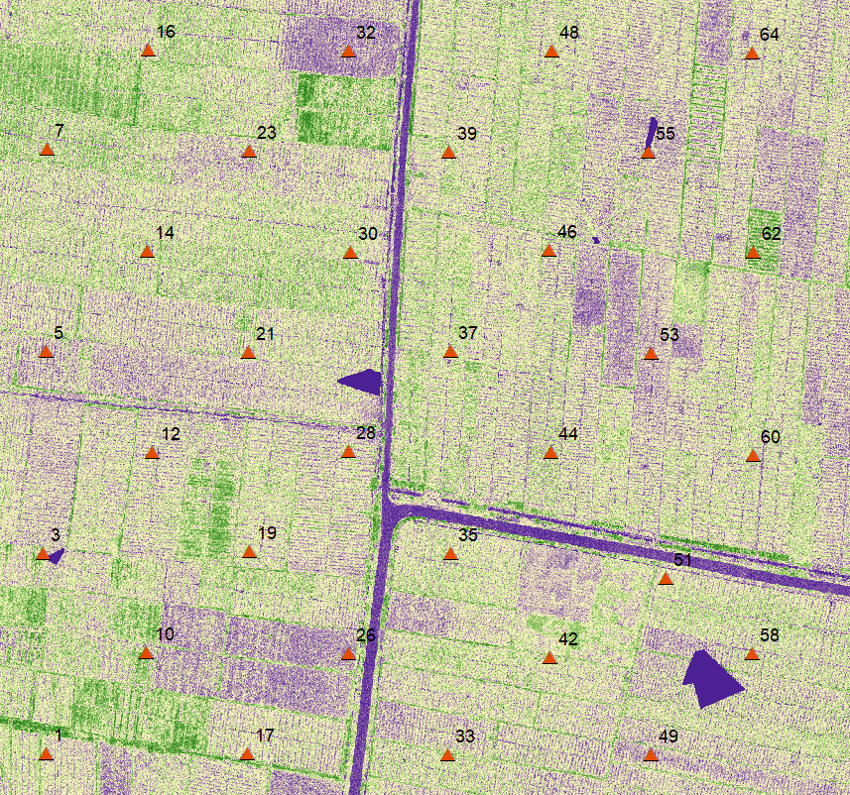
Prioritas | No | Jinawi |  |  |  | Probe Orange |  |  |  |  |  |  | Probe Putih |  |  |  |  |  |  | Probe Kuning |  |  |  |  |  |  | NDVI Flight 2 (3 Oct) | Hasil Uji Lab |  |  | Hasil Uji Lab
 |  | N | P | K | PH | N | P | K | EC | Suhu | Moisture | pH | N | P | K | EC | Suhu | Moisture | pH | N | P | K | EC | Suhu | Moisture | pH |  | N (%) | P (ppm) | K (cmol/kg) | N (ppm) | P (ppm) | K (ppm)
2 | 1 | 10 | 15 | 31 | 7 | 87 | 165 | 181 | 904 | 33.98 | 100 | 9.57 | 147 | 231 | 248 | 1174 | 33.56 | 100 | 3.52 | 115 | 197 | 214 | 1036 | 37.14 | 100 | 3.69 | 0.14981
2 | 3 | 5 | 8 | 16 | 7.4 | 11 | 56 | 66 | 394 | 35.23 | 64.36 | 7.52 | 21 | 76 | 88 | 504 | 34.23 | 43.23 | 9.77 | 15 | 17 | 18 | 66 | 37.02 | 64.7 | 9.72 | 0.447642
2 | 5 | 6 | 9 | 18 | 6.6 | 99 | 179 | 195 | 961 | 35.46 | 100 | 3.06 | 214 | 300 | 319 | 1473 | 35.59 | 100 | 8.72 | 139 | 223 | 240 | 1139 | 37.22 | 100 | 9.73 | 0.16226
1 | 7 | 9 | 12 | 25 | 7.1 | 94 | 173 | 189 | 935 | 40.24 | 100 | 4.24 |  |  |  |  |  |  |  | 155 | 241 | 258 | 1213 | 36.7 | 100 | 5.57 | 0.070752 | 0.56 | 27.54 | 0.02 | 5600 | 27.54 | 0.0782
1 | 10 | 13 | 19 | 39 | 6.4 | 201 | 287 | 305 | 1414 | 33.13 | 100 | 3.39 | 55 | 125 | 140 | 734 | 34.21 | 100 | 4.13 | 93 | 172 | 188 | 933 | 31.96 | 100 | 9.74 | 0.34196 | 0.68 | 30.34 | 0.01 | 6800 | 30.34 | 0.0391
2 | 12 | 7 | 10 | 21 | 6.9 | 87 | 165 | 181 | 902 | 36.97 | 100 | 4.38 | 116 | 198 | 215 | 1040 | 36.15 | 100 | 3.57 | 56 | 126 | 141 | 739 | 3691 | 100 | 688 | 0.281113
2 | 14 | 8 | 11 | 24 | 6.6 | 95 | 175 | 190 | 942 | 36.41 | 100 | 9.75 | 249 | 334 | 354 | 1636 | 36.16 | 100 | 9.24 | 89 | 167 | 183 | 912 | 36.87 | 100 | 6.22 | 0.303353
2 | 16 | 5 | 6 | 14 | 7 | 61 | 129 | 143 | 750 | 36.36 | 100 | 9.74 | 23 | 78 | 90 | 516 | 35.71 | 47.88 | 9.76 | 114 | 196 | 212 | 1030 | 36.97 | 100 | 5.08 | 0.158453
2 | 17 | 10 | 14 | 29 | 5.9 | 21 | 76 | 88 | 501 | 37.04 | 60.42 | 5.25 | 157 | 242 | 259 | 1218 | 37.52 | 100 | 9.76 | 35 | 98 | 111 | 612 | 3796 | 100 | 9.73 | 0.281917
2 | 19 | 8 | 12 | 24 | 6.6 | 131 | 214 | 231 | 1104 | 37.21 | 100 | 9.6 | 101 | 182 | 198 | 972 | 37.87 | 100 | 9.77 | 51 | 120 | 134 | 712 | 37.84 | 87.18 | 9.74 | 0.0137628
2 | 21 | 5 | 7 | 15 | 6.7 | 120 | 203 | 219 | 1058 | 36.91 | 100 | 9.74 | 215 | 301 | 320 | 1477 | 38.37 | 100 | 9.76 | 45 | 111 | 126 | 675 | 37.66 | 100 | 7.18 | 0.395515
1 | 23 | 5 | 7 | 15 | 7 | 103 | 184 | 200 | 981 | 40.03 | 100 | 9.74 |  |  |  |  |  |  |  | 164 | 249 | 267 | 1249 | 35.24 | 100 | 4.76 | 0.176734 | 1.15 | 30.9 | 0.02 | 11500 | 30.9 | 0.0782
1 | 26 | 6 | 8 | 17 | 7.1 | 123 | 206 | 222 | 1070 | 38.84 | 100 | 3.5 | 175 | 261 | 278 | 1298 | 35.04 | 100 | 2.73 | 185 | 271 | 289 | 1344 | 34.93 | 100 | 4.76 | 0.122068 | 1.45 | 38.89 | 0.02 | 14500 | 38.89 | 0.0782
1 | 28 | 7 | 10 | 21 | 6.8 | 123 | 206 | 223 | 1072 | 37.5 | 100 | 4.34 |  |  |  |  |  |  |  | 183 | 269 | 286 | 1332 | 35.4 | 100 | 4.45 | 0.119669 | 0.76 | 35.92 | 0.02 | 7600 | 35.92 | 0.0782
1 | 30 | 5 | 8 | 16 | 7 | 190 | 276 | 294 | 1364 | 39.62 | 100 | 9.72 |  |  |  |  |  |  |  | 175 | 261 | 278 | 1298 | 35.36 | 100 | 5.75 | 0.214326 | 0.23 | 23.12 | 0.01 | 2300 | 23.12 | 0.0391
2 | 32 | 5 | 7 | 16 | 6.5 | 129 | 209 | 226 | 1085 | 37.07 | 100 | 4.31 | 84 | 161 | 177 | 886 | 38.68 | 100 | 8.81 | 60 | 132 | 147 | 764 | 37.31 | 100 | 2.81 | 0.0159084
2 | 33 | 5 | 7 | 16 | 7.4 | 124 | 207 | 226 | 1085 | 35.87 | 100 | 5.09 | 70 | 144 | 159 | 816 | 37.18 | 100 | 2.26 | 154 | 240 | 257 | 1208 | 36.77 | 100 | 4.78 | 0.457343
2 | 35 | 5 | 8 | 17 | 7 | 103 | 183 | 199 | 977 | 34.7 | 100 | 4.56 | 84 | 161 | 177 | 888 | 36.23 | 100 | 4.53 | 235 | 321 | 340 | 1570 | 35.72 | 100 | 4.62 | 0.22408
2 | 37 | 6 | 9 | 13 | 6.6 | 208 | 295 | 313 | 1446 | 35.91 | 100 | 4.88 | 56 | 126 | 141 | 741 | 38.34 | 100 | 9.46 | 208 | 295 | 313 | 1446 | 35.91 | 100 | 4.88 | 0.190443
1 | 39 | 5 | 7 | 14 | 7.1 | 67 | 141 | 156 | 804 | 38.14 | 100 | 9.74 |  |  |  |  |  |  |  | 211 | 297 | 316 | 1460 | 41.31 | 100 | 9.74 | 0.252533 | 0.97 | 34.65 | 0.02 | 9700 | 34.65 | 0.0782
1 | 42 | 7 | 10 | 21 | 7.1 | 86 | 163 | 179 | 896 | 37.32 | 100 | 5.09 |  |  |  |  |  |  |  | 115 | 197 | 214 | 1036 | 39.36 | 100 | 6.3 | 0.544391 | 0.7 | 22.9 | 0.01 | 7000 | 22.9 | 0.0391
2 | 44 | 6 | 9 | 18 | 6.5 | 190 | 276 | 291 | 1352 | 35.98 | 100 | 3.41 | 253 | 338 | 358 | 1657 | 38.48 | 100 | 9.77 | 254 | 339 | 359 | 1661 | 35.93 | 100 | 4.34 | 0.471681
2 | 46 | 5 | 7 | 15 | 6.7 | 93 | 172 | 188 | 932 | 36.5 | 100 | 3.91 | 141 | 226 | 242 | 1151 | 38.75 | 100 | 9.77 | 135 | 218 | 235 | 1121 | 36.38 | 100 | 4.26 | 0.168604
2 | 48 | 6 | 8 | 18 | 6.6 | 188 | 274 | 292 | 1355 | 37.47 | 100 | 4.31 | 163 | 249 | 266 | 1247 | 39.15 | 100 | 9.76 | 90 | 168 | 184 | 917 | 36.77 | 100 | 9.65 | 0.220193
2 | 49 | 5 | 7 | 14 | 7 | 1198 | 285 | 302 | 1401 | 35.14 | 100 | 2.32 | 92 | 171 | 187 | 928 | 36.43 | 100 | 9.76 | 204 | 290 | 308 | 1427 | 35.59 | 100 | 5.68 | 0.0403277
2 | 51 | 4 | 7 | 14 | 6.8 | 167 | 253 | 270 | 1265 | 36.3 | 100 | 4.99 | 170 | 256 | 274 | 1279 | 36.66 | 100 | 4.5 | 157 | 243 | 260 | 1221 | 3541 | 100 | 811 | 0.01875
2 | 53 | 5 | 7 | 16 | 6.6 | 120 | 203 | 219 | 1058 | 35.52 | 100 | 4.44 | 247 | 332 | 352 | 1628 | 38.39 | 100 | 9.76 | 171 | 257 | 274 | 1281 | 36.11 | 100 | 9.74 | 0.257484
1 | 55 | 5 | 7 | 13 | 7.1 | 88 | 166 | 182 | 907 | 37.82 | 100 | 5.11 |  |  |  |  |  |  |  | 129 | 213 | 229 | 1097 | 40.93 | 100 | 6.06 | 0.292817 | 1.27 | 35.73 | 0.02 | 12700 | 35.73 | 0.0782
1 | 58 | 5 | 8 | 17 | 6.9 | 86 | 163 | 179 | 8.96 | 37.59 | 100 | 9.52 |  |  |  |  |  |  |  | 149 | 234 | 251 | 1186 | 39.68 | 100 | 6.29 | 0.285317 | 1.38 | 23.1 | 0.01 | 13800 | 23.1 | 0.0391
2 | 60 | 11 | 16 | 32 | 6.9 | 191 | 277 | 295 | 1367 | 36.27 | 100 | 6.2 | 81 | 158 | 174 | 875 | 38.23 | 100 | 4.23 | 191 | 283 | 301 | 1395 | 36.55 | 100 | 6.11 | 0.459496
2 | 62 | 11 | 16 | 32 | 6.8 | 148 | 232 | 249 | 1179 | 36.3 | 100 | 9.73 | 109 | 190 | 206 | 1005 | 38.31 | 100 | 4.17 | 107 | 188 | 204 | 997 | 36.7 | 100 | 7.38 | 0.587513
2 | 64 | 8 | 11 | 23 | 5.3 | 65 | 138 | 153 | 789 | 35.75 | 100 | 5.51 | 70 | 145 | 160 | 818 | 38.45 | 100 | 9.77 | 54 | 124 | 139 | 730 | 36.53 | 100 | 6.4 | 0.306342

